Sheet1
 | Document No. | Issue No. | Issue Date |  | Review and Replace Date |  | Authorised By
 | GFF567MC | 1 | 15.07.2026 |  | New doc |  | Magda Shah
 | Document Title | Booths Murgh Makhani & Jewelled Rice | 400G
Document amendments reason for change | New doc |  |  | Page 1 of 1 | Previous Issue Date | New doc | Uncontrolled copy unless signed original

CCRUR-R4TEB | BOOTHS | Booths Murgh Makhani & Jewelled Rice | 400G
STEP 1 |  |  |  | STEP 2
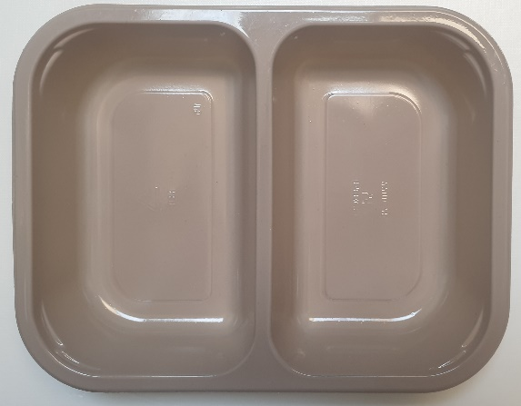 |  |  |  | 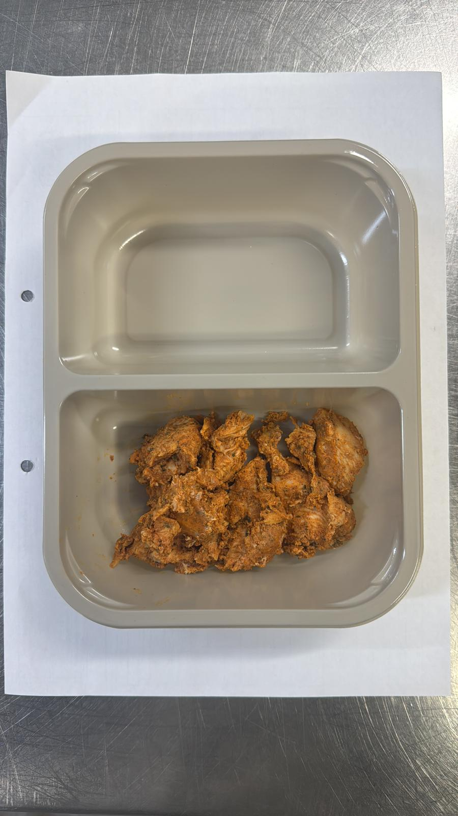
Tray: EVOLVE CPET 2200-2F (PKRHP001-10) |  |  |  | Chicken Tikka (GFF142R): 75g
Film: K peel 7G+25A/f- 275mm (275 mmX1000)(PKKMP001-03)
STEP 3 |  |  |  | STEP 4
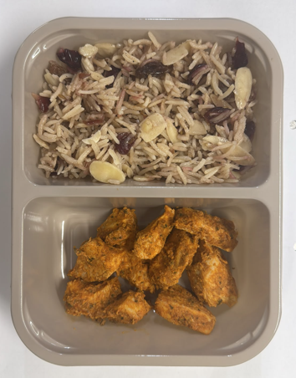 |  |  |  | 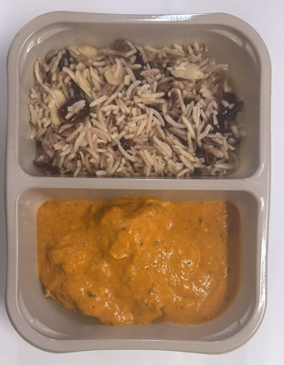
Jewelled Pilau Rice GFF567R : 160g |  |  |  | Ruby Curry Sauce GFF566R: 165g
TOTAL WEIGHT: 400g
ALLERGY ALERT: Milk, Barley, Nuts(Almond)

